Union (78)
SL. NO. | Status | E.No | Contractor's labour Name (As per CEMS) | CONTRACTOR | Photo | Signature
1 | Active | 1002000285 | SADHASHIVAPPA L | M/S G BALASUBRAMANIYAM & CO
2 | Active | 1002000047 | T S GOPAL | M/s BHARANI HOSPITALITY SERVICES
3 | Active | 1002000259 | GURURAJ G | M/s BHARANI HOSPITALITY SERVICES | 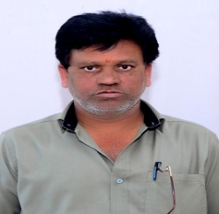
4 | Active | 1002000228 | MUNIYELLAPPA R V | M/S G BALASUBRAMANIYAM & CO
5 | Active | 1002000263 | THIPPSEWAMY | M/S G BALASUBRAMANIYAM & CO
6 | Active | 1002000264 | GOVINDHA RAJU H | M/S G BALASUBRAMANIYAM & CO
7 | Active | 1013000417 | MOHAN KUMAR K | M/s BHARANI HOSPITALITY SERVICES | 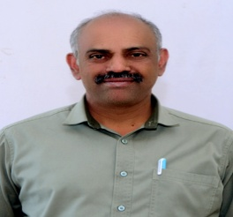
8 | Active | 1002000244 | GNANAMITHRA | M/S G BALASUBRAMANIYAM & CO
9 | Active | 1002000055 | NANJUNDA S | M/s BHARANI HOSPITALITY SERVICES | 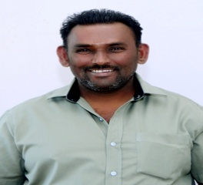
10 | Active | 1002000002 | NARASIMHAMURTHY M L | M/s BHARANI HOSPITALITY SERVICES | 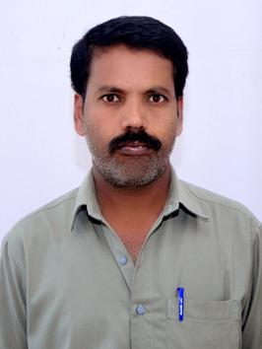
11 | Active | 1002000181 | NANJUNDA M | M/s BHARANI HOSPITALITY SERVICES | 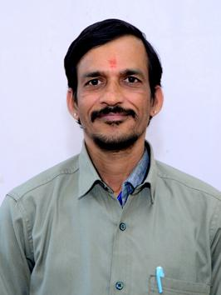
12 | Active | 1002000056 | MALLESHA V | M/s BHARANI HOSPITALITY SERVICES
13 | Active | 1002000118 | VIDYA SAGAR A L | M/S G BALASUBRAMANIYAM & CO
14 | Active | 1002000251 | KAMARAJU H | M/S G BALASUBRAMANIYAM & CO | 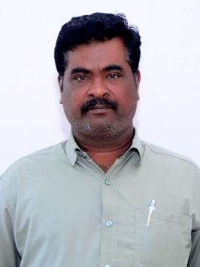
15 | Active | 1002000058 | K H RAGHU | M/s BHARANI HOSPITALITY SERVICES
16 | Active | 1002000006 | H V SRINIVASA | M/s BHARANI HOSPITALITY SERVICES | 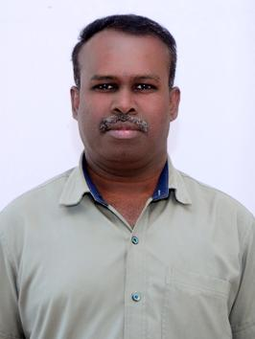
17 | Active | 1002000150 | MAHADEVA SWAMY | M/S G BALASUBRAMANIYAM & CO | 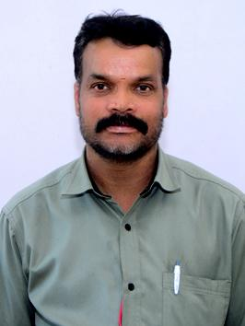
18 | Active | 1002000241 | NARAYANA B K | M/S G BALASUBRAMANIYAM & CO
19 | Active | 1002000245 | THIMMARAJU G K | M/S G BALASUBRAMANIYAM & CO | 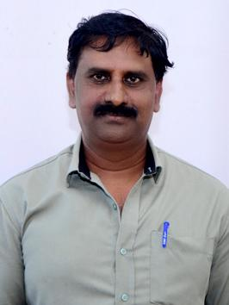
20 | Active | 1002000105 | I LOURDU SWAMY | M/s BHARANI HOSPITALITY SERVICES | 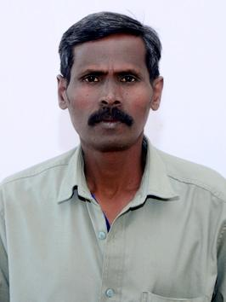
21 | Active | 1002000250 | RAVI B R | M/S G BALASUBRAMANIYAM & CO
22 | Active | 1002000106 | NARASIMHULU G | M/S G BALASUBRAMANIYAM & CO
23 | Active | 1002000095 | SOMANNA S.R | M/S G BALASUBRAMANIYAM & CO
24 | Active | 1002000155 | UMESH T.M. | M/S G BALASUBRAMANIYAM & CO
25 | Active | 1002000153 | CHANDRASHEKAR S. | M/S G BALASUBRAMANIYAM & CO
26 | Active | 1002000157 | DURGAPPA H. | M/S G BALASUBRAMANIYAM & CO | 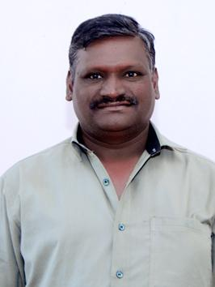
27 | Active | 1002000154 | SRINIVAS V | M/S G BALASUBRAMANIYAM & CO | 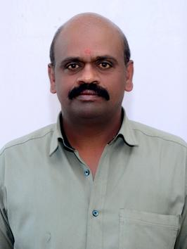
28 | Active | 1013000416 | SIDRAMESH Y | M/S G BALASUBRAMANIYAM & CO | 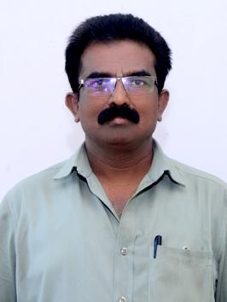
29 | Active | 1002000161 | PARAMESH MURTHY | M/S G BALASUBRAMANIYAM & CO | 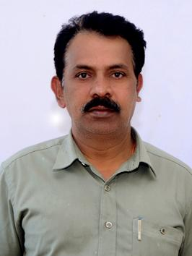
30 | Active | 1002000239 | JAYARAJU S | M/S G BALASUBRAMANIYAM & CO | 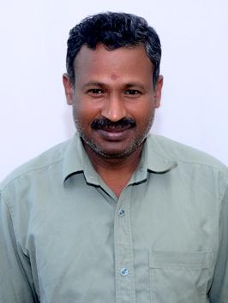
31 | Active | 1002000162 | RAJU H.L. | M/S G BALASUBRAMANIYAM & CO
32 | Active | 1002000026 | SRINIVAS R L | M/S ANU TECH SERVICES | 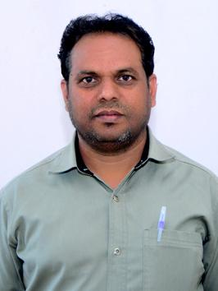
33 | Active | 1002000290 | G YAMANNA | M/s BHARANI HOSPITALITY SERVICES | 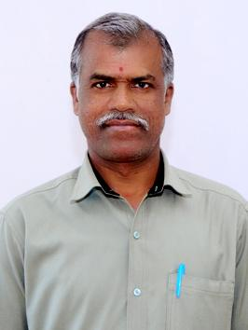
34 | Active | 1002000171 | OMKARAPPA | M/S G BALASUBRAMANIYAM & CO
35 | Active | 1002000550 | Byrappa S | M/s BHARANI HOSPITALITY SERVICES
36 | Active | 1002000165 | DWARAKESH H.T. | M/S G BALASUBRAMANIYAM & CO
37 | Active | 1002000119 | NARAYANA G | M/S G BALASUBRAMANIYAM & CO
38 | Active | 1002000107 | VENKETASH G | M/s BHARANI HOSPITALITY SERVICES | 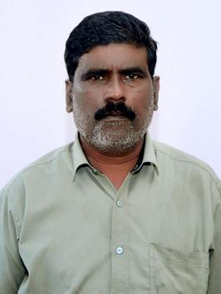
39 | Active | 1002000166 | VENKATESH Y | M/S G BALASUBRAMANIYAM & CO
40 | Active | 1002000044 | VENKATARAMAPPA | M/S G BALASUBRAMANIYAM & CO
41 | Active | 1002000169 | NAGARAJ K | M/S G BALASUBRAMANIYAM & CO
42 | Active | 1002000045 | RAJU N | M/s BHARANI HOSPITALITY SERVICES
43 | Active | 1002000170 | THIMMARAYAPPA | M/S G BALASUBRAMANIYAM & CO | 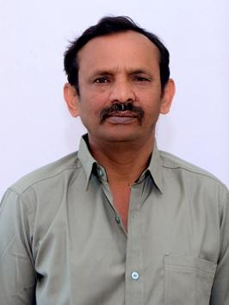
44 | Active | 1002000121 | NAGARAJU K.P | M/S G BALASUBRAMANIYAM & CO
45 | Active | 1002000100 | NANDISH | M/S G BALASUBRAMANIYAM & CO
46 | Active | 1002000108 | M R BHANU PRAKASH REDDY | M/S G BALASUBRAMANIYAM & CO | 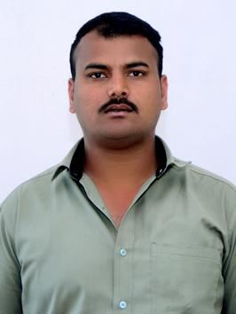
47 | Active | 1002000182 | HARISH A L | M/s BHARANI HOSPITALITY SERVICES
48 | Active | 1002000028 | RAMESH KUMAR C S | M/S ANU TECH SERVICES | 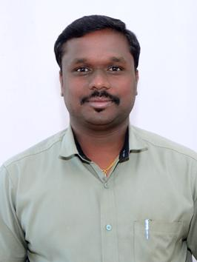
49 | Active | 1002000101 | VIJAYA KUMAR | M/S G BALASUBRAMANIYAM & CO | 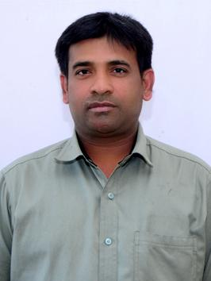
50 | Active | 1002000062 | SATISH KUMAR P | M/s BHARANI HOSPITALITY SERVICES | 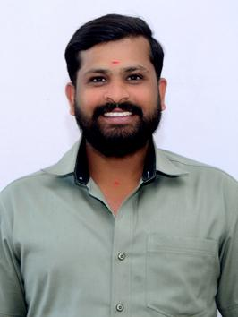
51 | Active | 1002000059 | VINOD KUMAR | M/s BHARANI HOSPITALITY SERVICES
52 | Active | 1002000109 | DIWAKAR V | M/S G BALASUBRAMANIYAM & CO | 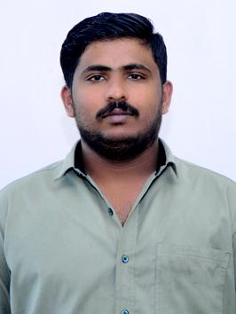
53 | Active | 1002000087 | GOVINDA RAJ | M/s BHARANI HOSPITALITY SERVICES
54 | Active | 1002000063 | PRASAD REDDY | M/s BHARANI HOSPITALITY SERVICES | 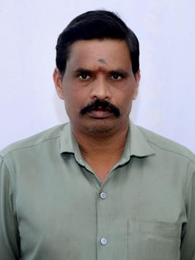
55 | Active | 1002000122 | SANTHOSH K J | M/S G BALASUBRAMANIYAM & CO
56 | Active | 1002000173 | MUNEENDRA R | M/S G BALASUBRAMANIYAM & CO
57 | Active | 1002000064 | PANDIAN V | M/s BHARANI HOSPITALITY SERVICES
58 | Active | 1002000103 | GANESH S | M/S G BALASUBRAMANIYAM & CO
59 | Active | 1002000014 | PADMANABHA | M/s BHARANI HOSPITALITY SERVICES | 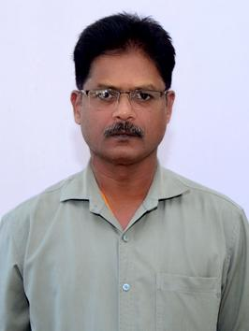
60 | Active | 1002000060 | SRINIVAS M | M/s BHARANI HOSPITALITY SERVICES
61 | Active | 1002000015 | SANTOSH KUMAR | M/s BHARANI HOSPITALITY SERVICES | 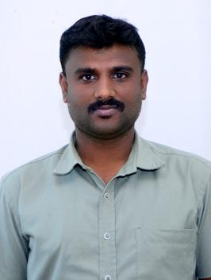
62 | Active | 1002000012 | BASAVARAJ R | M/s BHARANI HOSPITALITY SERVICES
63 | Active | 1013000423 | THIMMA REDDY | M/S G BALASUBRAMANIYAM & CO
64 | Active | 1002000113 | PRASHANTH K M | M/S G BALASUBRAMANIYAM & CO
65 | Active | 1002000126 | VENKATESH KUMAR G | M/S G BALASUBRAMANIYAM & CO
66 | Active | 1002000114 | SRIRAMAPPA M V | M/S G BALASUBRAMANIYAM & CO
67 | Active | 1002000123 | CHELUVARAJ M | M/S G BALASUBRAMANIYAM & CO
68 | Active | 1002000174 | VINUTH KUMAR M | M/S G BALASUBRAMANIYAM & CO
69 | Active | 1002000016 | ANANDA R | M/s BHARANI HOSPITALITY SERVICES
70 | Active | 1002000096 | MANJUNATH K S | M/S G BALASUBRAMANIYAM & CO
71 | Active | 1002000074 | RANGANATHA R | M/s BHARANI HOSPITALITY SERVICES | 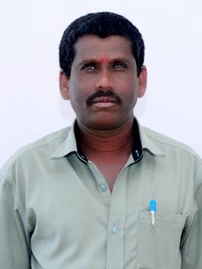
72 | Active | 1013000414 | KRISHNA G | M/s BHARANI HOSPITALITY SERVICES
73 | Active | 1002000077 | ARMUGAM | M/s BHARANI HOSPITALITY SERVICES
74 | Active | 1002000076 | ESHANNA | M/s BHARANI HOSPITALITY SERVICES | 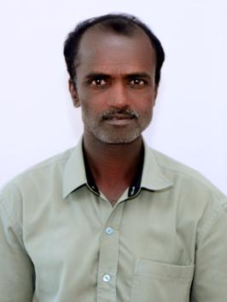
75 | Active | 1002000546 | MARICHANNAIAH K | M/S G BALASUBRAMANIYAM & CO | 